Sheet1
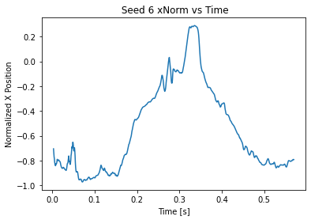
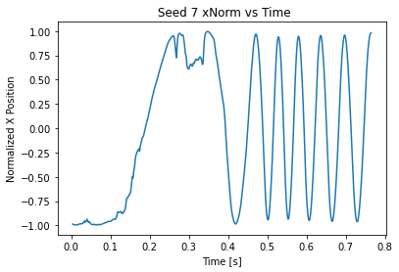
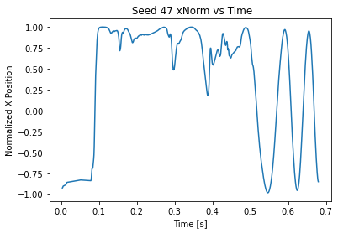
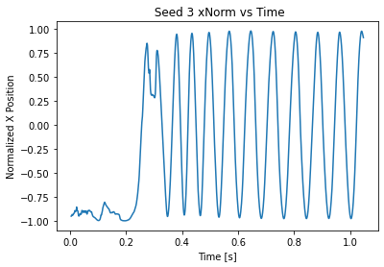
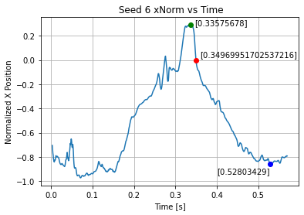
 |  |  |  |  |  |  |  |  | Evaluation over last 10 time stamps | Last τ seconds over which values were extracted
Seed | Mass [g] | Mass [kg] | Area [mm^2] | Area [m^2] | Loading | Span [mm] | Chord [mm] | Aspect | Number of Evaluations | Evaluation Duration [s] | Omega: ω [RPS] | Omega: ω [RPM] | Average Thrust [N] | Average Thrust Coefficient
3 | 0.4 | 0.0004 | 1168.7016962908854 | 0.0011687016963 | 342.2806703109598 | 61.121899469049126 | 24.83221218349697 | 47.063938068 | 10 | 0.010025591811 | 79.176173635 | 4750.5704181 | 0.0029501607254 | 0.0087482594051
6 | 0.7 | 0.0007 | 1522.2761139517897 | 0.001522276114 | 459.86532507739935 | 74.06287225946649 | 27.060777530154667 | 56.25396802643494 | 10 | 0.010155502398 | 8.80813 | 528.4878 | 0.0055860116902 | 0.6217932314
7 | 0.5 | 0.0005 | 1050.1453453453453 | 0.0010501453453 | 476.1531365313653 | 61.968094064523505 | 21.986914804819467 | 47.762287463594326 | 10 | 0.01 | 111.32828365 | 6679.697019 | 0.0038937229967 | 0.0055359926908
47 | 0.6 | 0.0006 | 941.1195844493143 | 0.00094111958445 | 637.5767861117292 | 59.12029666385135 | 20.89870341532939 | 45.032438891 | 10 | 0.011190738699 | 55.50357002 | 3330.2142012 | 0.0046841549052 | 0.032341267205

Note, for Seed 6, the period of rotation was computed by taking the negative peak (around 0.5) and subtracting the positive peak. To get the period, this difference was multiplied by 2. It should be noted that this seed actually never reaches steady state so the results do not mean much. (See Thrust Coeff)

xNorm = x Position Normalized

